LCOE
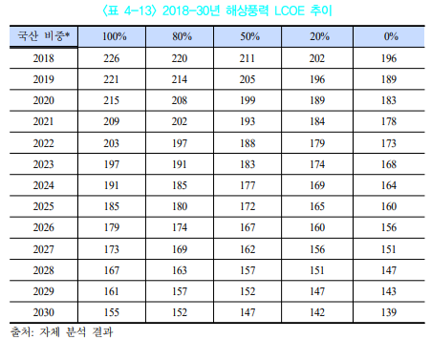
LCOE전망(won/kWh)
 | 2020 | 2030 | CAGR
solar pv | 133.3 | 106.2 | -0.020330082521 | =>태양광 CAGR만 현물가격 감소에 반영 | 전원구성 전망 확인 후 offshore과 산술평균수치를 적용할지 생각중
onshore wind | 131.6 | 122.7 | -0.0067629179331
offshore wind | 215 | 155 | -0.027906976744

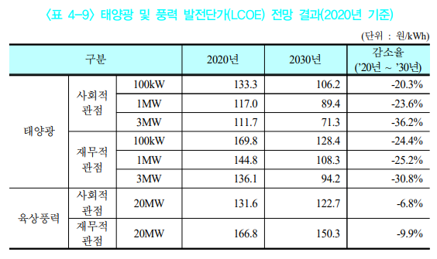
Notes
solar pv, onshore wind
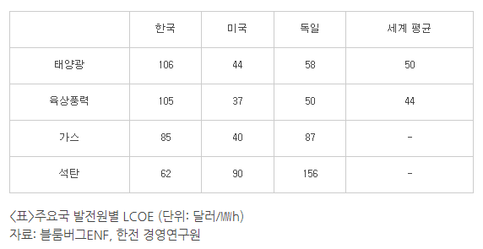

URL: | https://home.kepco.co.kr/kepco/KR/ntcob/ntcobView.do?pageIndex=1&boardSeq=21049282&boardCd=BRD_000516&menuCd=FN3113

solar pv | 125.0694 | => 사회적 관점 선택
onshore wind | 123.8895 | => 사회적 관점 선택

offshore wind

Cal-CAPEX
 | IRENA, 연도별 신재생에너지 kW당 설치비용 |  |  |  | $/kW
 | year | 2010 | 2011 | 2012 | 2013 | 2014 | 2015 | 2016 | 2017 | 2018 | 2019 | 2020 | 2021 | 2022 | 2023 | 2024 | 2025 | 2026 | 2027 | 2028 | 2029 | 2030 | 2031 | 2032 | 2033 | 2034 | 2035 | 2036 | 2037 | 2038 | 2039 | 2040 | 2041 | 2042 | 2043 | 2044 | 2045 | 2046 | 2047 | 2048 | 2049 | 2050
 | solar pv | 4,702 | 3,936 | 2,985 | 2,615 | 2,363 | 1,801 | 1,637 | 1,415 | 1,208 | 995 | 961 | 926 | 892 | 858 | 824 | 790 | 730 | 669 | 609 | 549 | 488 | 477 | 465 | 454 | 443 | 431 | 420 | 408 | 397 | 385 | 374 | 363 | 351 | 340 | 328 | 317 | 305 | 294 | 283 | 271 | 260
 | onshore wind | 1,949 | 1,939 | 1,972 | 1,828 | 1,781 | 1,642 | 1,635 | 1,628 | 1,549 | 1,473 | 1,456 | 1,439 | 1,421 | 1,404 | 1,387 | 1,370 | 1,289 | 1,208 | 1,127 | 1,046 | 965 | 955 | 944 | 934 | 923 | 913 | 902 | 892 | 881 | 871 | 860 | 850 | 839 | 829 | 818 | 808 | 797 | 787 | 776 | 766 | 755
 | offshore wind | 4,650 | 5,326 | 4,741 | 5,738 | 5,245 | 5,260 | 4,280 | 4,683 | 4,245 | 3,800 | 3,825 | 3,850 | 3,875 | 3,900 | 3,925 | 3,950 | 3,590 | 3,230 | 2,870 | 2,510 | 2,150 | 2,134 | 2,117 | 2,101 | 2,084 | 2,068 | 2,051 | 2,035 | 2,018 | 2,002 | 1,985 | 1,969 | 1,952 | 1,936 | 1,919 | 1,903 | 1,886 | 1,870 | 1,853 | 1,837 | 1,820
 | hydro | 1,234 | 1,210 | 1,287 | 1,517 | 1,587 | 1,452 | 1,839 | 1,769 | 1,456 | 1,709 | 1,709 | 1,709 | 1,709 | 1,709 | 1,709 | 1,709 | 1,709 | 1,709 | 1,709 | 1,709 | 1,709 | 1,709 | 1,709 | 1,709 | 1,709 | 1,709 | 1,709 | 1,709 | 1,709 | 1,709 | 1,709 | 1,709 | 1,709 | 1,709 | 1,709 | 1,709 | 1,709 | 1,709 | 1,709 | 1,709 | 1,709
 | bio | 2,588 | 1,302 | 1,495 | 3,028 | 2,982 | 2,592 | 2,175 | 2,897 | 1,693 | 2,141 | 2,289 | 2,289 | 2,289 | 2,289 | 2,289 | 2,289 | 2,289 | 2,289 | 2,289 | 2,289 | 2,289 | 2,289 | 2,289 | 2,289 | 2,289 | 2,289 | 2,289 | 2,289 | 2,289 | 2,289 | 2,289 | 2,289 | 2,289 | 2,289 | 2,289 | 2,289 | 2,289 | 2,289 | 2,289 | 2,289 | 2,289

 | IRENA 바탕으로 CAGR 추정후, 한국 CAPEX에 적용 |  |  |  |  | blue is assumption value
 | CAGR
 | solar pv | -3.10% | 2030-2050
 | onshore wind | -1.22% | 2030-2050
 | offshore wind | -2.61% | 2018-2050

 | CAPEX(won) |  |  | 1,000 | won/kW
 | solar pv | 0 | 0 | 0 | 0 | 0 | 0 | 0 | 0 | 0 | 0 | 1,513 | 1,468 | 1,424 | 1,379 | 1,334 | 1,289 | 1,242 | 1,195 | 1,149 | 1,102 | 1,055 | 1,022 | 991 | 960 | 930 | 901 | 873 | 846 | 820 | 794 | 770 | 746 | 723 | 700 | 678 | 657 | 637 | 617 | 598 | 579 | 561
 | onshore wind | 0 | 0 | 0 | 0 | 0 | 0 | 0 | 0 | 0 | 0 | 2,522 | 2,482 | 2,441 | 2,401 | 2,360 | 2,320 | 2,296 | 2,273 | 2,249 | 2,226 | 2,202 | 2,176 | 2,149 | 2,123 | 2,097 | 2,071 | 2,046 | 2,021 | 1,996 | 1,972 | 1,948 | 1,924 | 1,901 | 1,878 | 1,855 | 1,832 | 1,810 | 1,788 | 1,766 | 1,744 | 1,723
 | offshore wind | 0 | 0 | 0 | 0 | 0 | 0 | 0 | 0 | 5,730 | 5,580 | 5,435 | 5,293 | 5,154 | 5,020 | 4,889 | 4,761 | 4,637 | 4,516 | 4,398 | 4,283 | 4,171 | 4,062 | 3,956 | 3,853 | 3,752 | 3,654 | 3,558 | 3,466 | 3,375 | 3,287 | 3,201 | 3,117 | 3,036 | 2,957 | 2,879 | 2,804 | 2,731 | 2,660 | 2,590 | 2,523 | 2,457
 | hydro | IRENA 데이터 사용
 | bio | IRENA 데이터 사용

 | CAPEX(USD) |  |  |  | $/kW |  |  |  |  |  |  | 반영 시작 수치
 | solar pv | 0 | 0 | 0 | 0 | 0 | 0 | 0 | 0 | 0 | 0 | 1,283 | 1,245 | 1,206 | 1,168 | 1,130 | 1,092 | 1,053 | 1,013 | 973 | 934 | 894 | 866 | 840 | 813 | 788 | 764 | 740 | 717 | 695 | 673 | 652 | 632 | 612 | 593 | 575 | 557 | 540 | 523 | 507 | 491 | 476
 | onshore wind | 0 | 0 | 0 | 0 | 0 | 0 | 0 | 0 | 0 | 0 | 2,138 | 2,103 | 2,069 | 2,035 | 2,001 | 1,966 | 1,946 | 1,926 | 1,906 | 1,887 | 1,867 | 1,844 | 1,821 | 1,799 | 1,777 | 1,756 | 1,734 | 1,713 | 1,692 | 1,671 | 1,651 | 1,631 | 1,611 | 1,591 | 1,572 | 1,553 | 1,534 | 1,515 | 1,497 | 1,478 | 1,460
 | offshore wind | 0 | 0 | 0 | 0 | 0 | 0 | 0 | 0 | 4,856 | 4,730 | 4,606 | 4,486 | 4,369 | 4,254 | 4,143 | 4,035 | 3,930 | 3,827 | 3,727 | 3,630 | 3,535 | 3,443 | 3,353 | 3,265 | 3,180 | 3,097 | 3,016 | 2,937 | 2,860 | 2,786 | 2,713 | 2,642 | 2,573 | 2,506 | 2,440 | 2,377 | 2,315 | 2,254 | 2,195 | 2,138 | 2,082

 | For CAPEX
 | mismatch for assumption |  | 2020-2025 | 2025-2030
 |  | solar pv | 45 | 47
 |  | onshore wind | 41 | 24

 | For CAGR
 | solar pv
 |  | min | max | min & max
 | 2030 | 340 | 834 | 30% | 가정
 | 2050 | 165 | 481

 | onshore wind
 |  | min | max
 | 2030 | 800 | 1,350
 | 2050 | 650 | 1,000

 | offshore wind
 |  | min | max
 | 2030 | 1,700 | 3,200
 | 2050 | 1,400 | 2,800

 | mismatch for assumption |  | 2020-2024 | 2026-2029 | 2031-2050
 |  | solar pv | 34 | 60 | 11
 |  | onshore wind | 17 | 81 | 11
 |  | offshore wind | 25 | 360 | 17
 |  | hydro | 2020, 수력은 2019가격에 고정 |  |  |  | 비용이 상승하는 추세지만, 결국 한정된 건설환경으로 수요 또한 감소할 것으로 추정, 두 효과가 상충된다고 가정하여 2019 고정
 |  | bio | 2020, 바이오는 2010-2019의 평균가 고정 |  |  |  | 규칙을 찾을 수 없음, 평균가격에 고정

 | 조세특례제한법 제25조 2
 | 중소기업 | 7%
 | 중견기업 | 3%
 | 내국법인(내국인) | 1%

Notes
offshore wind CAPEX
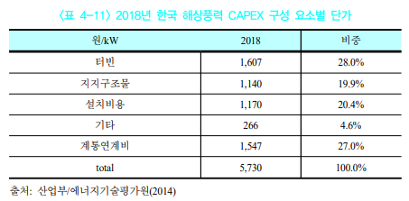

해당 reference를 확인한 결과 위 원/kW는 오타이며 1000원/kW가 맞음

